Decision Log
PROJECT TRACKING — cross-cutting, spans all phases
Decision Log — open questions, tracked to a decision

Unlike a plain question list, every row here is expected to end with a recorded decision

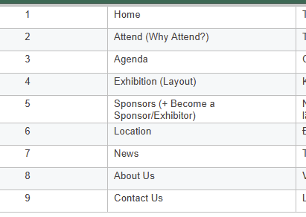
# | Question | Asked to | Decision / Answer | Decided by | Date decided | Status | Cột 1
1 | Event date & venue (exact address) | Client | October 2nd and 3rd |  |  | Open
2 | Final confirmed page list | Client | Attached Image on the Right |  |  | Open
3 | Logo / brand colors / fonts — do these exist or does dev design them? | Client | Link |  |  | Open
4 | Default language (VN or EN) | Client | English |  |  | Open
6 | Hosting environment details (server specs, OS, existing setup) for Strapi + frontend deploy? | Client |  |  |  | Open
7 | Domain DNS access — who configures it for going live? | Client |  |  |  | Open
8 | Do forms (Speaker/Sponsor/Contact) need email notifications on submission? | Client |  |  |  | Open
9 | Any existing content (past event photos/text) to reuse, since this may be first edition? | Client |  |  |  | Open
10 | Analytics needed (even without SEO) — e.g., basic visitor count? | Client |  |  |  | Open
11 | Deadline / go-live date? | Client |  |  |  | Open

